Meter Settings
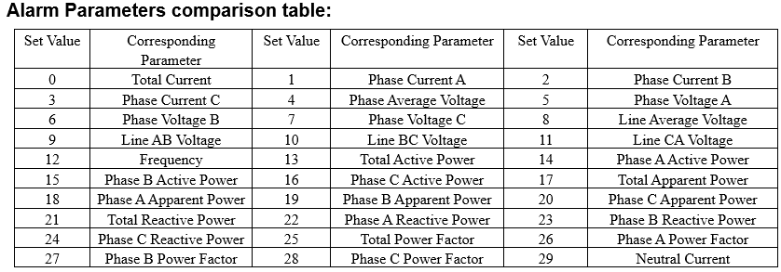
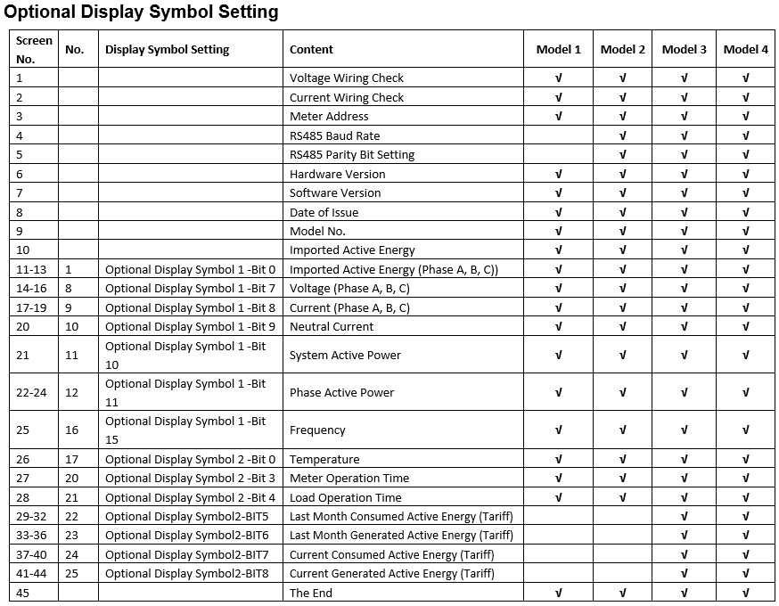
Block | Start(Hex) | End(Hex) | Start(Dec) | End(Dec) | Description | Data type | RW | Reg | Range | Default | Factory value
Basic Meter Setting | 0x200 | 0x200 | 512 | 512 | Meter Address | word | R/W | 1 | 1-247
(0x03 Read, 0x10 Write) | 0x201 | 0x201 | 513 | 513 | RS485 Baud Rate | word | R/W | 1 | 1200; 2400; 4800; 9600; 19200; 38400; 11520(115200bps)
 | 0x202 | 0x202 | 514 | 514 | RS485 Parity Bit Setting | word | R/W | 1 | 0: Even parity; 1: Odd parity
 | 0x203 | 0x203 | 515 | 515 | Impulse Choice | word | R/W | 1 | 0: Active Power 1: Reactive Power
 | 0x204 | 0x204 | 516 | 516 | Demand Calculation Method | word | R/W | 1 | 0: Sliding Window; 1: Fixed Window; 2: Rolling Window 3: Thermal
 | 0x205 | 0x205 | 517 | 517 | Demand Calculation Period | word | R/W | 1 | 1-30 minutes
 | 0x206 | 0x206 | 518 | 518 | Demand Calculation Slipping Time | word | R/W | 1 | 1-30 minutes
 | 0x207 | 0x207 | 519 | 519 | Reactive Power Calculation Method | word | R/W | 1 | 0: True (sinusoidal); 1: Generalized (harmonics present)
 | 0x208 | 0x208 | 520 | 520 | VAR/PF Convention | word | R/W | 1 | 0：IEC; 1：IEEE
 | 0x209 | 0x209 | 521 | 521 | Sealed Parameters Selection | word | R/W | 1 | Bit0：TOUSet is Sealed or Not Bit1: Communication Bit2:Run-time and Load-time Bit3-Bit5: 0 1: valid of corresponding Selection; 0: invalid of corresponding selection
 | 0x20A | 0x20A | 522 | 522 | Communication Revise Operation Authority | word | R/W | 1 | 0x02: Meter Reset, Event Reset, write Energy Data 0x04: write Data(except Energy Data), Demand Peak reset Note: Register Revise needs correct Password, incorrect password is invalid.
 | 0x20B | 0x20B | 523 | 523 | Password | word | W | 1 | 0000-9999 Used for revise Communication Operation Authority, verify password when get new password
 | 0x20C | 0x20C | 524 | 524 | New Password | word | W | 1 | 0000-9999 Note: To get new password needs correct current password, incorrect current password is invalid.
 | 0x20D | 0x20D | 525 | 525 | Meter Data Reset | word | W | 1 | Bit0: Reset Demand Record; Bit1: Reset Event Record; Bit2: Reset System Event Record; Bit3: Reset Meter Opening Record; Bit4: Reset Demand Event; Bit5: Reset Alarm Event; Bit6: Reset Meter Operation Time; Bit 7: Reset Time of Meter Operation with Load Bit8: Reset Meter Record (Reset energy record, demand peak and happening time record, system event record, etc ) Bit9: Reset max/min values Bit10: Reset max value of demand 0: Reset 1: NO Note: reset no valid without Communication Revise Operation Authority
 | 0x20E | 0x20E | 526 | 526 | Optional Display Symbol 1 | word | R/W | 1 | Please see Appendix “Optional Display Symbol Setting ”
 | 0x20F | 0x20F | 527 | 527 | Optional Display Symbol 2 | word | R/W | 1
 | 0x210 | 0x210 | 528 | 528 | Parameter Measurement side | word | R/W | 1 | 0: primary side; 1:Secondary side
 | 0x211 | 0x211 | 529 | 529 | Wiring Mode | word | R/W | 1 | 0:3LN 1:2LL 2:1LL 3:1LN
 | 0x212 | 0x212 | 530 | 530 | CT2 Value | word | R/W | 1 | 1: CT 1A; 5: CT 5A; 80: CT 80Ma; 100: CT 100m*; 200: CT 200Ma; 333: CT 333Mv; 100: Rogowski Coil CT*
 | 0x213 | 0x213 | 531 | 531 | CT1 Value | word | R/W | 1 | 1~50000/5~50000
 | 0x214 | 0x214 | 532 | 532 | CTN Value | word | R/W | 1 | 1~50000/5~50000
 | 0x215 | 0x215 | 533 | 533 | PT2 Value | word | R/W | 1 | 50.0~400.0 (Communication value is 10 times of the real value)
 | 0x216 | 0x217 | 534 | 535 | PT1 Value | word | R/W | 2 | 50.0~999999.9 (Communication value is 10 times of the real value)
 | 0x218 | 0x218 | 536 | 536 | Energy Pulse Constant | word | R/W | 1 | 1-60000
 | 0x219 | 0x219 | 537 | 537 | Energy Pulse Width | word | R/W | 1 | 20-100 ms
 | 0x21A | 0x21A | 538 | 538 | Energy display Decimal | word | R/W | 1 | 0,1, 2, 3
 | 0x21B | 0x21B | 539 | 539 | Relay Operating Mode | word | R/W | 1 | 0: Relay Control 1: Alarm Output
 | 0x21C | 0x21C | 540 | 540 | Wire detection | word | R/W | 1 | 0: Disable 1: Enable
 | 0x21D | 0x21D | 541 | 541 | Current Direction | word | R/W | 1 | Bit0: Phase A Bit1: Phase B Bit2: Phase C 0: Forward, 1: Reverse

Clock Parameter | 0x300 | 0x300 | 768 | 768 | Clock: year | word | R/W | 1 | 2000-2099 | 2000
(0x03 Read, 0x10 Write) | 0x301 | 0x301 | 769 | 769 | Clock: month | word | R/W | 1 | 1~12 | 1
 | 0x302 | 0x302 | 770 | 770 | Clock: date | word | R/W | 1 | 1~31 | 1
 | 0x303 | 0x303 | 771 | 771 | Clock: hour | word | R/W | 1 | 0~23 | 0
 | 0x304 | 0x304 | 772 | 772 | Clock: minute | word | R/W | 1 | 0~59 | 0
 | 0x305 | 0x305 | 773 | 773 | Clock: second | word | R/W | 1 | 0~59 | 0
 | 0x306 | 0x306 | 774 | 774 | Week | word | R/W | 1 | 0~6 0: Sunday; 1-6: Monday - Saturday | 6
 | 0x310 | 0x311 | 784 | 785 | Run_tim | Uint32 |  | 2 | 0-999999999 (Communication value is 100 times of the real value)
 | 0x312 | 0x313 | 786 | 787 | Load_tim | Uint32 |  | 2 | 0-999999999 (Communication value is 100 times of the real value)

Alarm Parameter Setting | 0x700 | 0x700 | 1792 | 1792 | Alarm Switch | word | R/W | 1 | 1: Enable; 0: Disable | 0
(0x03 Read, 0x10 Write) | 0x701 | 0x701 | 1793 | 1793 | Alarm Channel | word | R/W | 1 | Bit0~ Bit11: Alarm Channel 0-11 1: Enable; 0: Disable | 0
 | 0x702 | 0x702 | 1794 | 1794 | Alarm Channel Output | word | R/W | 1 | Bit0~ Bit11: Alarm Channel 0-11 1: Enable; 0: Disable | 0
 | 0x703 | 0x703 | 1795 | 1795 | Alarm Output Mode | word | R/W | 1 | 0: level; 1: pulse | 0
 | 0x704 | 0x704 | 1796 | 1796 | Pulse Output Time | word | R/W | 1 | 50~3000ms (valid with Pulse Output Mode) | 1000
 | 0x705 | 0x705 | 1797 | 1797 | 1st group Parameter Number | word | R/W | 1 | 0~29 (please see appendix “Alarm Parameters comparison table”) | 0
 | 0x706 | 0x706 | 1798 | 1798 | 1st group Comparing Method | word | R/W | 1 | 0: larger; 1: equal; 2: less | 0
 | 0x707 | 0x707 | 1799 | 1799 | 1st group Setpoint Value | word | R/W | 1 |  | 0
 | 0x708 | 0x708 | 1800 | 1800 | 1st group Delay Time | word | R/W | 1 | 0~3000 (×10ms) | 0
 | 0x709 | 0x734 | 1801 | 1844 | 2nd to 12th group | word | R/W | 44

BACnet Parameter Setting | 0x800 | 0x800 | 2048 | 2048 | Protocol Select | word | R/W | 1 | 1: BACnet; 0: Modbus | 0
(0x03 Read, 0x10 Write) | 0x801 | 0x801 | 2049 | 2049 | MAC Address | word | R/W | 1 | 0~127 | 1
 | 0x802 | 0x803 | 2050 | 2051 | Baudrate | word | R/W | 2 | 9600; 19200; 38400; 76800；11520 (115200) | 76800
 | 0x804 | 0x804 | 2052 | 2052 | Max Info Frames | word | R/W | 1 | 1~255 | 10
 | 0x805 | 0x806 | 2053 | 2054 | ID_H + ID_L | word | R/W | 2 | 1~4194303 | 1000
 | 0x807 | 0x807 | 2055 | 2055 | Reset Command | word | R/W | 1 | 1：Reset，Other: Invalid | 0

Alarm & System Event Log
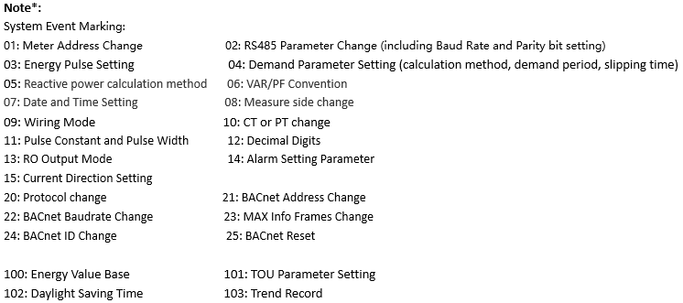
Block | Start(Hex) | End(Hex) | Start(Dec) | End(Dec) | Description | Data type | RW | Reg | Range | Default | Factory value
Alarm Log | 0x1700 | 0x1702 | 5888 | 5890 | 1st Happening Time | word | R | 3 | YYMMDDHHMMSS
(0x03 Read) | 0x1703 | 0x1703 | 5891 | 5891 | 1st Alarm Parameter | word | R | 1 | 0~29 (see appendix “Alarm Parameter setting Alarm Parameters comparison table”)
 | 0x1704 | 0x1704 | 5892 | 5892 | 1st Over limit or restoration value | word | R | 1
 | 0x1705 | 0x1705 | 5893 | 5893 | 1st Alarming State | word | R | 1 | 1: Alarm happening 0: Alarm recovery
 | 0x1706 | 0x1777 | 5894 | 6007 | 2nd to 20th, same as 1st alarm Log | word | R | 114

System Event Log | 0x1A00 | 0x1A01 | 6656 | 6657 | Total Number of System Event Log | word | R | 2 | 0~0xFFFFFFFF
(0x03 Read) | 0x1A02 | 0x1A04 | 6658 | 6660 | Newest - Event Happening Time | word | R | 3 | YY/MM/DD/hh/mm/ss
 | 0x1A05 | 0x1A05 | 6661 | 6661 | Newest - Event Marking | word | R | 1 | please see note*
 | 0x1A06 | 0x1A09 | 6662 | 6665 | Last Second Event, same as newest | word | R | 4
 | 0x1A0A | 0x1A0D | 6666 | 6669 | Last Third Event, same as newest | word | R | 4

